CAR SALES
 |  | Sum of Sales Volume | Sum of Revenue | Sum of Base Price (USD) | Row Labels | Sum of Revenue |  |  | Row Labels | Sum of Sales Volume | Row Label | Sum of Revenue |  | Row Labels | Sum of Revenue |  | Row Labels | Sum of Sales Volume | Row Labels | Sum of Sales Volume | Row Labels | Row Labels | Sum of Revenue | Row Label | Sum of Sales Volume
 |  | 150,674.00 | 45.57B | 21,265,000.00 | Urus | 13.91B | Row Labels | Sum of Sales Volume | Green | 900.00 | Americas | 17.93B |  | 2020 | 7.87B |  | Gasoline | 111,056.00 | 2020 | 29,550.00 | Aventador | Urus | 13,911,965,000.00 | Aventador | 5,970.00
 |  |  |  |  | Huracán | 13.35B | Aventador | 5970 | Grey | 1,300.00 | EMEA | 16.61B |  | 2021 | 6.16B |  | Hybrid | 39,618.00 | 2021 | 21,925.00 | Huracán | Huracán | 13,352,060,000.00 | Huracán | 48,081.00
 |  |  |  |  | Urus SE | 8.62B | Huracán | 48081 | Blue | 3,206.00 | APAC | 11.03B |  | 2022 | 6.86B |  | Grand Total | 150,674.00 | 2022 | 24,243.00 | Huracán (Temerario) | Urus SE | 8,618,850,000.00 | Huracán (Temerario) | 3,850.00
 |  |  |  |  | Revuelto | 4.83B | Huracán (Temerario) | 3850 | Silver | 13,571.00 | Grand Total | 45.57B |  | 2023 | 6.96B |  |  |  | 2023 | 25,838.00 | Revuelto | Revuelto | 4,827,000,000.00 | Revuelto | 8,956.00
 |  |  |  |  | Aventador | 3.38B | Revuelto | 8956 | Red | 17,793.00 |  |  |  | 2024 | 9.28B |  |  |  | 2024 | 27,918.00 | Urus | Aventador | 3,380,955,000.00 | Urus | 57,005.00
 |  |  | Row Labels | Sum of Sales Volume | Huracán (Temerario) | 1.48B | Urus | 57005 | Yellow | 18,261.00 |  |  |  | 2025 | 8.46B |  |  |  | 2025 | 21,200.00 | Urus SE | Huracán (Temerario) | 1,482,750,000.00 | Urus SE | 26,812.00
 |  |  | 2020 | 29,550.00 | Grand Total | 45.57B | Urus SE | 26812 | Orange | 20,300.00 |  |  |  | Grand Total | 45.57B |  |  |  | Grand Total | 150,674.00 | Grand Total | Grand Total | 45,573,580,000.00 | Grand Total | 150,674.00
 |  |  | 2021 | 21,925.00 |  |  | Grand Total | 150674 | White | 28,943.00
 |  |  | 2022 | 24,243.00 |  |  |  |  | Black | 46,400.00 |  |  | KEY PERFORMANCE INDICATOR | CY | PY | YOY
 |  |  | 2023 | 25,838.00 |  |  |  |  | Grand Total | 150,674.00 |  |  | sum of sales volume | 21,200.00 | 27,918.00 | -24% | ↘24%Last Year
 |  |  | 2024 | 27,918.00 |  |  |  |  |  |  |  |  | sum of revenue | 8,455,500,000.00 | 9,276,100,000.00 | -9% | ↘9%Last Year
 |  |  | 2025 | 21,200.00
Row Labels | Sum of Sales Volume |  | Grand Total | 150,674.00
MODELS BY SALES VOLUME
2020 | 29,550.00 |  |  |  |  |  |  |  | Row Label | Sum of Revenue
2021 | 21,925.00 |  |  |  |  |  |  |  | Americas | 17.93B
2022 | 24,243.00 |  |  |  |  |  |  |  | EMEA | 16.61B
REVENUE TREND
2023 | 25,838.00 |  |  |  |  |  |  |  | APAC | 11.03B
REVENUE BY DIFFERENT REGION
SALES VOLUME BY MODEL COLOUR
2024 | 27,918.00 |  |  |  |  |  |  |  | Grand Total | 45.57B
2025 | 21,200.00
Grand Total | 150,674.00

MODELS BY SALES REVENUE

Lamborghini Sales Dashboard
CAR SALES ANALYSIS

SALES VOLUME BY MODEL COLOUR
 | Total
Green | 900.00
Grey | 1,300.00
Blue | 3,206.00
Silver | 13,571.00
Red | 17,793.00
Yellow | 18,261.00
Orange | 20,300.00
White | 28,943.00
Black | 46,400.00
REVENUE TREND
 | Total
2020 | 7.87B
2021 | 6.16B
2022 | 6.86B
2023 | 6.96B
2024 | 9.28B
2025 | 8.46B
Sum of Sales Volume
150,674.00

↘24%Last Year

Sum of Revenue
45.57B

↘9%Last Year
MODELS BY REVENUE
 | Total
Urus | 13.91B
Huracán | 13.35B
Urus SE | 8.62B
Revuelto | 4.83B
Aventador | 3.38B
Huracán (Temerario) | 1.48B

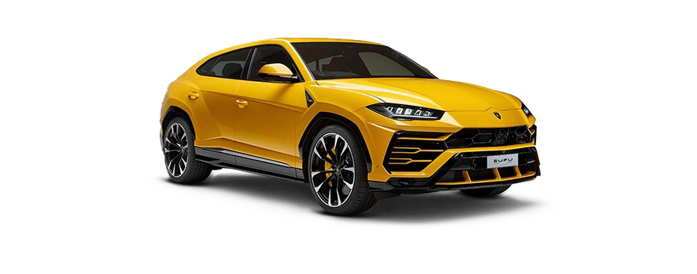

Urus
13.91B

REVENUE BY DIFFERENT REGION
 | Total
Americas | 17.93B
EMEA | 16.61B
APAC | 11.03B
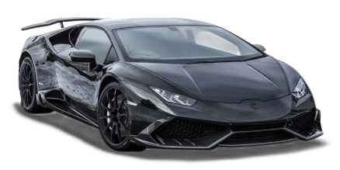

Huracán
MODELS BY SALES VOLUME
 | Total
Aventador | 5,970.00
Huracán | 48,081.00
Huracán (Temerario) | 3,850.00
Revuelto | 8,956.00
Urus | 57,005.00
Urus SE | 26,812.00

13.35B


Urus SE

8.62B

Images
